Feuil1
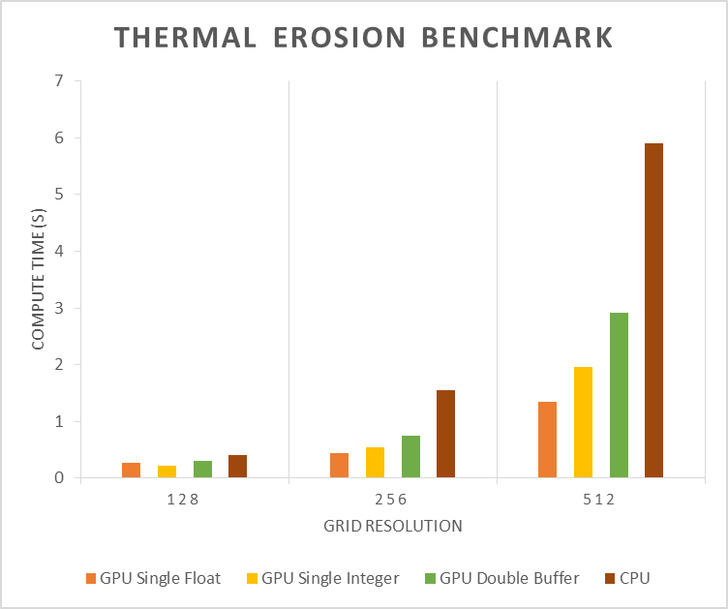
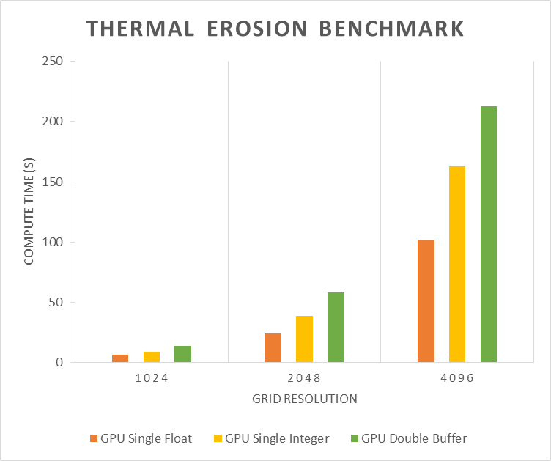
Grid Size | 128 | 256 | 512 | 1024 | 2048 | 4096
GPU Single Float | 0.279 | 0.446 | 1.354 | 6.512 | 23.875 | 102.011
GPU Single Integer | 0.228 | 0.551 | 1.954 | 8.9 | 38.82 | 162.509
GPU Double Buffer | 0.298 | 0.753 | 2.91 | 13.719 | 57.813 | 212.53
CPU | 0.403 | 1.55 | 5.907 | 27.629 | 0 | 0

Thermal Erosion Benchmark
Thermal Erosion Benchmark

